January
Money Wellness Spending Worksheet

Your Money | Amount
Total Income
Total Bills
Total Utilities / Expenses
(debt)
(debt)
(debt)
Total Available | $0.00

Savings (Budget) | Amount
Savings Account
IRA
401K
Vacation
Holiday

Total | $0.00

Spending (Budget) | Amount
Shopping
Entertainment
Travel
Food / Take Out
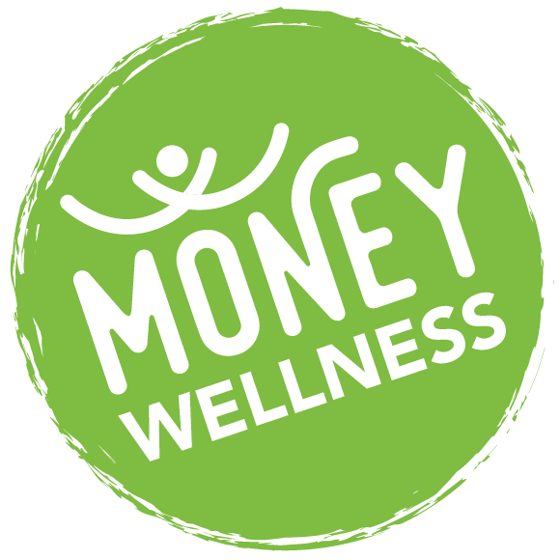
Subscriptions

Total | $0.00

Remaining Budget Balance | $0.00

*The Element FCU Spending Worksheet is for educational purposes only.

